Overall Summary
BoxiiShip Analysis Summary |  |  |  |  |  |  |  |  |  |  |  |  |  | Chart Inputs
 |  |  |  |  |  |  |  |  |  |  |  |  |  |  |  |  |  |  |  |  |  |  |  | 100% |  | 100%
 | Period Spend | Annual Spend | Savings $ | Savings % | Volume Profile |  | Weight Profile |  | Zone Profile |  | Period Data |  |  | Current Services |  |  |  | Weigth Distro OZ |  |  | Weight Distro LBS |  | Zone Distro |  | Destinations
Current Services | $- | $- | - | - | Period | 59,570 | Average | 1.3 LB | Average | 6.4 | Date Range | 2025-03-17 14:33:00 | 2025-06-18 20:49:00 | Service | Volume | Spend | Savings | 1 | 0.0% |  | 1 | 31% | 1 | 0% | AK | 0% | 50 | 1 | FL
FirstMile Services | $453,648 | $1,780,446 | $(1,780,446) | - | Annualized | 233,796 | Median | 16 OZ | Median | 7.0 | Days | 93 |  | DHL Max | 57,032 | - | - | 2 | 0.0% |  | 2 | 29% | 2 | 1% | AL | 1% | 31 | 2 | PA
 |  |  |  |  |  |  | Mode | 16 OZ | Mode | 8.0 |  |  |  | ACI_PS_Lightweight | 1,256 | - | - | 3 | 0.0% |  | 3 | 4% | 3 | 1% | AR | 1% | 32 | 3 | OH
 |  |  |  |  |  |  |  |  |  |  |  |  |  | ACI_Parcel_Select | 825 | - | - | 4 | 1.6% |  | 4 | 1% | 4 | 10% | AZ | 1% | 43 | 4 | WI
CPP | $329,847 | $1,294,560 | $(1,294,560) | - |  |  | Major Destinations |  |  |  |  |  |  | USPSPriorityMailPackage | 457 | - | - | 5 | 16.1% |  | 5 | 0% | 5 | 16% | CA | 1% | 28 | 5 | NY
FM Services VS CPP | $453,648 | $1,780,448 | $(485,888) | -37.5% |  |  | FL, PA, OH, WI and NY |  |  |  |  |  |  |  |  | - | - | 6 | 0.5% |  | 6 | 0% | 6 | 21% | CO | 3% | 14
 |  |  |  |  |  |  |  |  |  |  |  |  |  |  |  | - | - | 7 | 3.7% |  | 7 | 0% | 7 | 23% | CT | 1% | 33
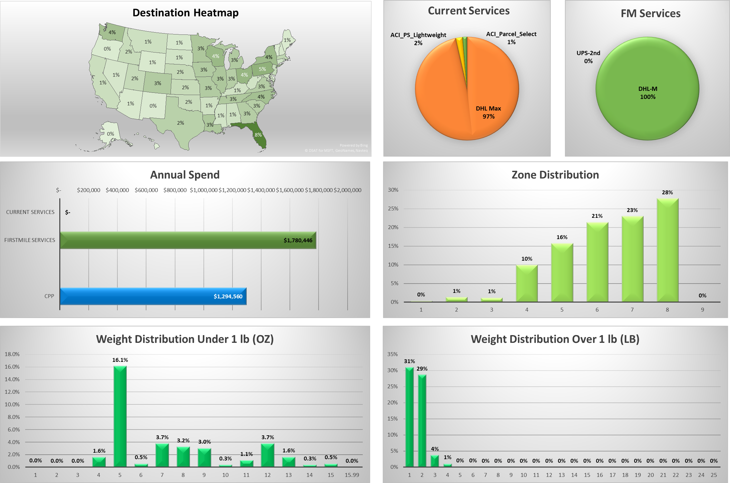
 |  |  |  |  |  |  |  |  |  |  |  |  |  |  |  | - | - | 8 | 3.2% |  | 8 | 0% | 8 | 28% | DC | 0% | 51
 |  |  |  |  |  |  |  |  |  |  |  |  |  |  |  | - | - | 9 | 3.0% |  | 9 | 0% | 9 | 0% | DE | 0% | 48
 |  |  |  |  |  |  |  |  |  |  |  |  |  |  |  | - | - | 10 | 0.3% |  | 10 | 0% |  |  | FL | 8% | 1
 |  |  |  |  |  |  |  |  |  |  |  |  |  |  |  | - | - | 11 | 1.1% |  | 11 | 0% |  |  | GA | 3% | 17
 |  |  |  |  |  |  |  |  |  |  |  |  |  |  |  | - | - | 12 | 3.7% |  | 12 | 0% |  |  | HI | 0% | 49
 |  |  |  |  |  |  |  |  |  |  |  |  |  |  |  | - | - | 13 | 1.6% |  | 13 | 0% |  |  | IA | 3% | 13
 |  |  |  |  |  |  |  |  |  |  |  |  |  |  |  | - | - | 14 | 0.3% |  | 14 | 0% |  |  | ID | 2% | 26
 |  |  |  |  |  |  |  |  |  |  |  |  |  |  |  | - | - | 15 | 0.5% |  | 15 | 0% |  |  | IL | 3% | 8
 |  |  |  |  |  |  |  |  |  |  |  |  |  |  |  | - | - | 15.99 | 0.0% |  | 16 | 0% |  |  | IN | 3% | 18
 |  |  |  |  |  |  |  |  |  |  |  |  |  |  |  | - | - |  |  |  | 17 | 0% |  |  | KS | 2% | 25
 |  |  |  |  |  |  |  |  |  |  |  |  |  |  |  |  |  |  |  |  | 18 | 0% |  |  | KY | 1% | 34
 |  |  |  |  |  |  |  |  |  |  |  |  |  |  |  |  |  |  |  |  | 19 | 0% |  |  | LA | 3% | 10
 |  |  |  |  |  |  |  |  |  |  |  |  |  |  |  |  |  |  |  |  | 20 | 0% |  |  | MA | 2% | 21
 |  |  |  |  |  |  |  |  |  |  |  |  |  | FM Services |  |  |  |  |  |  | 21 | 0% |  |  | MD | 1% | 29
 |  |  |  |  |  |  |  |  |  |  |  |  |  | Service | Volume | Spend | Savings |  |  |  | 22 | 0% |  |  | ME | 1% | 44
 |  |  |  |  |  |  |  |  |  |  |  |  |  | DHL-M | 59,514 | 452,635 | - |  |  |  | 23 | 0% |  |  | MI | 3% | 12
 |  |  |  |  |  |  |  |  |  |  |  |  |  | DHL-X |  | - | - |  |  |  | 24 | 0% |  |  | MN | 3% | 9
 |  |  |  |  |  |  |  |  |  |  |  |  |  | DHL-G |  | - | - |  |  |  | 25 | 0% |  |  | MO | 3% | 15
 |  |  |  |  |  |  |  |  |  |  |  |  |  | Amazon |  | - | - |  |  |  |  |  |  |  | MS | 1% | 37
 |  |  |  |  |  |  |  |  |  |  |  |  |  | USPS GA |  | - | - | Transit Mapping |  |  |  |  |  |  | MT | 1% | 30
 |  |  |  |  |  |  |  |  |  |  |  |  |  | Priority Mail | 4 | 89 | - | Current Service |  | Transit |  |  |  |  | NC | 4% | 6
 |  |  |  |  |  |  |  |  |  |  |  |  |  | ACI-WS |  | - | - | DHL Max |  | Priority |  |  |  |  | ND | 1% | 40
 |  |  |  |  |  |  |  |  |  |  |  |  |  | ACI-D |  | - | - | ACI_PS_Lightweight |  | Priority |  |  |  |  | NE | 2% | 22
 |  |  |  |  |  |  |  |  |  |  |  |  |  | ONT |  | - | - | ACI_Parcel_Select |  | Priority |  |  |  |  | NH | 1% | 41
 |  |  |  |  |  |  |  |  |  |  |  |  |  | UniUni |  | - | - | USPSPriorityMailPackage |  | Priority |  |  |  |  | NJ | 2% | 24
 |  |  |  |  |  |  |  |  |  |  |  |  |  | Veho |  | - | - |  |  |  |  |  |  |  | NM | 0% | 45
 |  |  |  |  |  |  |  |  |  |  |  |  |  | FedEx |  | - | - |  |  |  |  |  |  |  | NV | 1% | 38
 |  |  |  |  |  |  |  |  |  |  |  |  |  | UPS-2nd | 52 | 924 | 1 |  |  |  |  |  |  |  | NY | 4% | 5
 |  |  |  |  |  |  |  |  |  |  |  |  |  | Not Serviceable |  | - | - |  |  |  |  |  |  |  | OH | 4% | 3
 |  |  |  |  |  |  |  |  |  |  |  |  |  |  |  | 453,648 | 1 |  |  |  |  |  |  |  | OK | 2% | 27
 |  |  |  |  |  |  |  |  |  |  |  |  |  |  |  |  |  |  |  |  |  |  |  |  | OR | 0% | 46
 |  |  |  |  |  |  |  |  |  |  |  |  |  | FM Services |  |  |  |  |  |  |  |  |  |  | PA | 5% | 2
 |  |  |  |  |  |  |  |  |  |  |  |  |  | Service | Volume | Spend | Savings |  |  |  |  |  |  |  | RI | 1% | 39
 |  |  |  |  |  |  |  |  |  |  |  |  |  | Xp National | 59,518 | 452,724 | - |  |  |  |  |  |  |  | SC | 3% | 19
 |  |  |  |  |  |  |  |  |  |  |  |  |  | Xp Select | - | - | - |  |  |  |  |  |  |  | SD | 1% | 36
 |  |  |  |  |  |  |  |  |  |  |  |  |  |  |  |  |  |  |  |  |  |  |  |  | TN | 3% | 11
 |  |  |  |  |  |  |  |  |  |  |  |  |  |  |  |  |  |  |  |  |  |  |  |  | TX | 2% | 20
 |  |  |  |  |  |  |  |  |  |  |  |  |  |  |  |  |  |  |  |  |  |  |  |  | UT | 2% | 23
 |  |  |  |  |  |  |  |  |  |  |  |  |  |  |  |  |  |  |  |  |  |  |  |  | VA | 3% | 16
 |  |  |  |  |  |  |  |  |  |  |  |  |  |  |  |  |  |  |  |  |  |  |  |  | VT | 0% | 47
 |  |  |  |  |  |  |  |  |  |  |  |  |  |  |  |  |  |  |  |  |  |  |  |  | WA | 4% | 7
 |  |  |  |  |  |  |  |  |  |  |  |  |  |  |  |  |  |  |  |  |  |  |  |  | WI | 4% | 4
 |  |  |  |  |  |  |  |  |  |  |  |  |  |  |  |  |  |  |  |  |  |  |  |  | WV | 1% | 35
 |  |  |  |  |  |  |  |  |  |  |  |  |  |  |  |  |  |  |  |  |  |  |  |  | WY | 1% | 42

